Sheet1
 |  | Document No. | Issue No. | Issue Date |  |  | Review and Replace Date |  | Authorised By
 |  | GFF163MC | 1 | 20.03.2020 |  |  | New Issue |  | Magda Shah
 |  | Document Title | VEGETABLE SPRING ROLL 85g
Document amendments reason for change |  | New document created |  |  | Page 1 of 1 |  | Previous Issue Date | New Issue | Uncontrolled copy unless signed original

CVSRL-G6T | GAZEBO |  | VEGETABLE SPRING ROLL 85g | CHILLED
STEP 1 |  |  |  |  |  | STEP 2
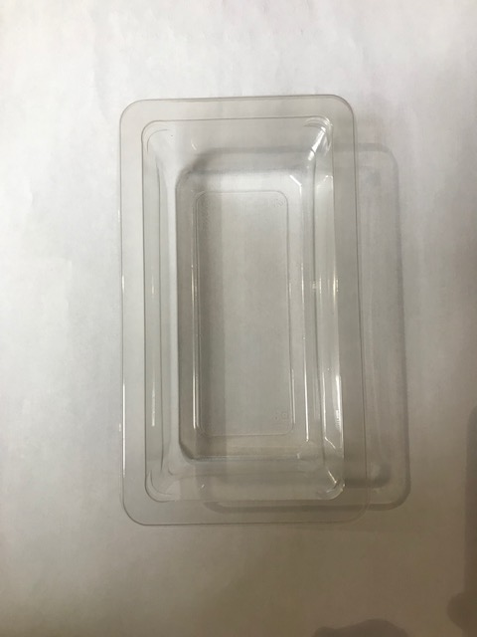 |  |  |  |  |  | 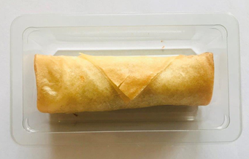 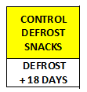 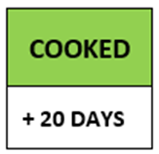

Tray Grab a Bit Plain 274x152x102 ( PKdia001.02) |  |  |  |  |  | Vegetable Spring Roll 85g (GFF114R) |  |  | Total Weight: 85g
Line 1: Mylar 250LAF 250mm x 1000 (PKWRA001-08) Line 1: K-Peel 75G + AF 25 250mm (PKKMP001-01)
ALLERGY ALERT: BARLEY, WHEAT, SOYA

